Start
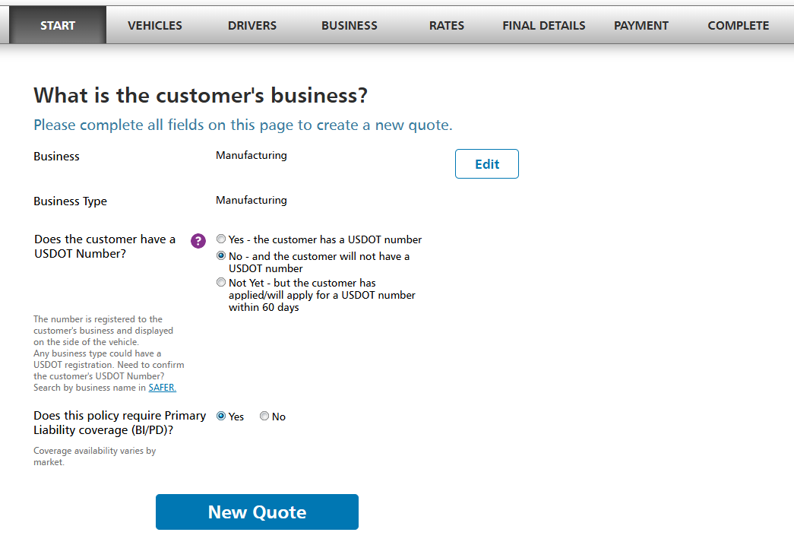

California E&S
Quote Sheet - Towing
Business Information Glossary

Proposed Effective date
Business Name & DBA Name if applicable

Business Type
Business Class i.e - Towing /Roadside Assistance / Automotive Repair / Auto Hauling
USDOT#
CA Authority #

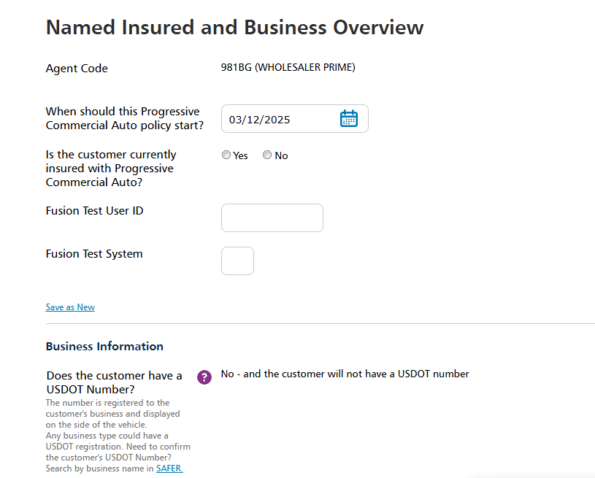
Named Insured and Business Overview
Business Owners Name
Business Owner Date of Birth
Business Owner Home address, zip code, city/state
Business Owner primary phone#
How is the customer's business structured? (Individual / Sole Proprietor, Partnership, Corporation or LLC / Non-Profit)
What percentage of the customer's business involves repossession work / if any?
Radius Of Operations
Garage Keepers Lot Location
Are trucks stored in a yard, or are they taken home by the owner or employees overnight?

Vehicles
California E&S
Quote Sheet - Towing
Business Information Glossary

Vehicle Information | Veh 1 | Veh 2 | Veh 3 | Veh 4 | Veh 5 | Veh 6 | Veh 7 | Veh 8 | Veh 9
Vehicle type (Tractor, Car Carrier, Wheel Lift, etc.)
Year/Make/Model
VIN
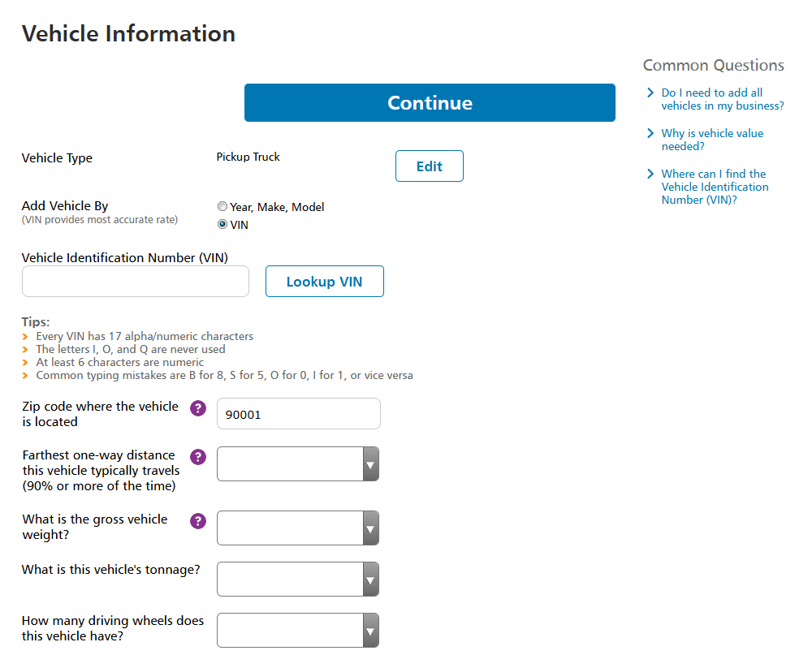
Full Garaging address
How many Axles
Hitch type
Is there a Loan/Lease on vehicle?
Any permanently attached equipment? If yes, value -
Stated Value (excluding any permanently attached equipment)?
Does the customer need Comprehensive or Collision coverage to protect this vehicle in an accident or loss?
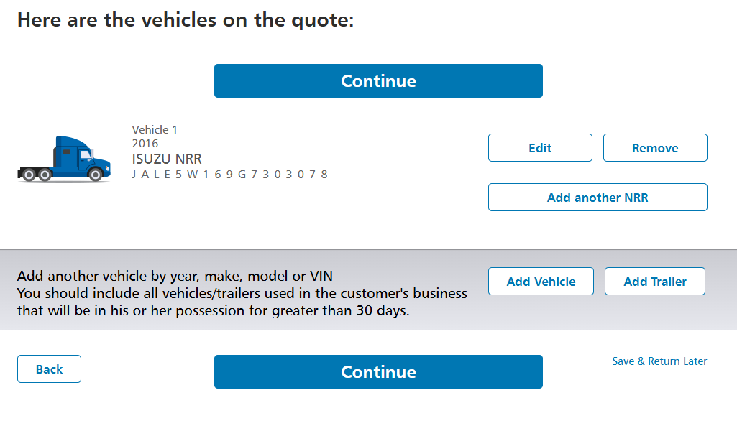

Trailer Information | Trailer 1 | Trailer 2 | Trailer 3 | Trailer 4 | Trailer 5 | Trailer 6 | Trailer 7 | Trailer 8 | Trailer 9
Vehicle type (Lowboy, Flatbed, Gooseneck, etc.)
Year/Make/Model
VIN
Garaging address
What is the length of the trailer
Does the customer need Comprehensive or Collision coverage to protect this trailer in an accident or loss?
Stated Value

Drivers
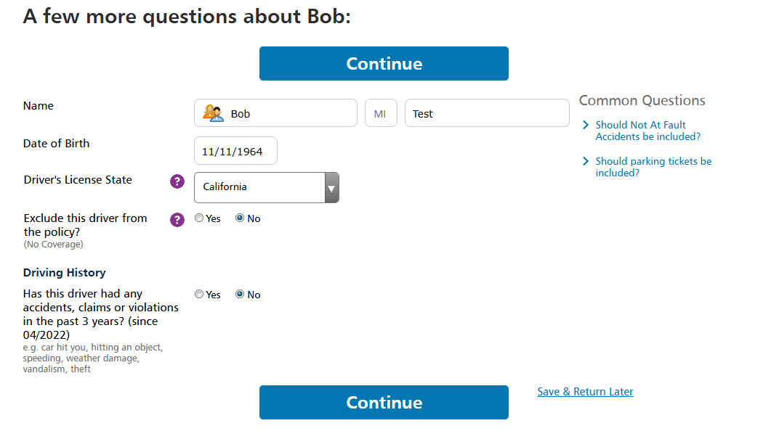

California E&S
Driver Information
Driver Information Glossary |  |  |  |  |  |  | Back to [Quick Start Guide]

Be sure to list all drivers (including NI, company-employed and leased/owner-operator/contractors).

Driver | First Name | Last Name | Date of Birth | Driver's Lic # | License State | Has this driver had any accidents, claims or violations in the past 3 years? | Date of Incident | Incident Description | Excluded | Did this accident occur when the driver was using their personal vehicle for non-business use?
1
2
3
4
5
6
7
8
9
10
11
12
13
14
15
16
17
18
19
20

Business
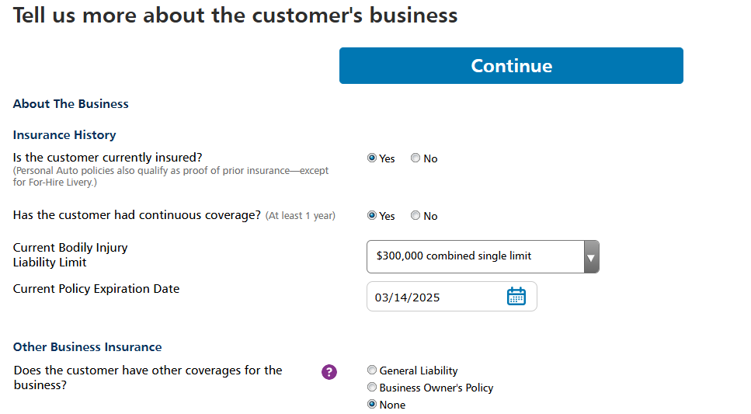

California E&S
Quote Sheet - Towing
Business Information Glossary

Additional Business Information
Is this risk currently insured?
Has the customer had continuous commercial auto coverage? (At least 1 year) ** Discount **
Current Bodily Injury Liability Limit
Current Policy Expiration Date
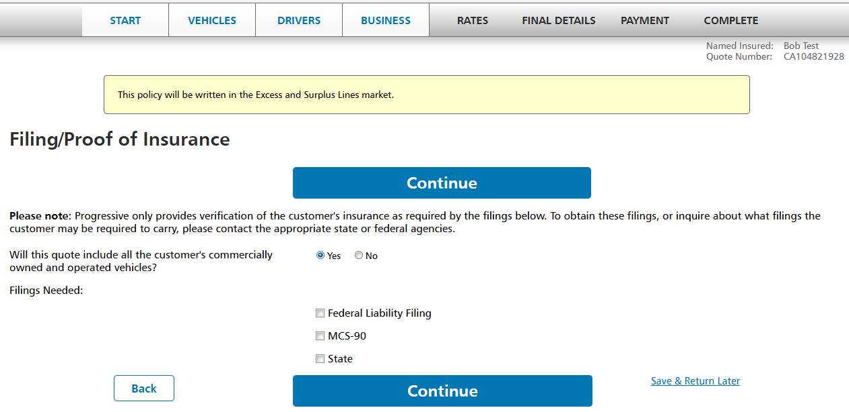
Does the customer have current GCL / BOP coverage? ** Discount **
Federal Filing Required? | (Yes/No)
CA State filing required? | (Yes/No)

Snapshot ProView/Smarthaul
Agent Code
Agent Email
State Code
Customer Name
Customer Email
Is the customer able to provide vehicle mileage for any and all vehicles on the quote?
How many vehicles on the quote?
Please provide annual mileage from the last 12 months for each vehicle (power units only). Please round to the nearest thousand (Example: 15,000).
confirm that the customer understands and agrees to the Terms & Conditions and Privacy Statement.

Filing/Proof of Insurance
Will this quote include all the customer's commercially owned and operated vehicles? | (Yes/No)
Filing Needed? | (Federal Liability Filing, MCS-90, State)
Filing State
Filing Type

Rates
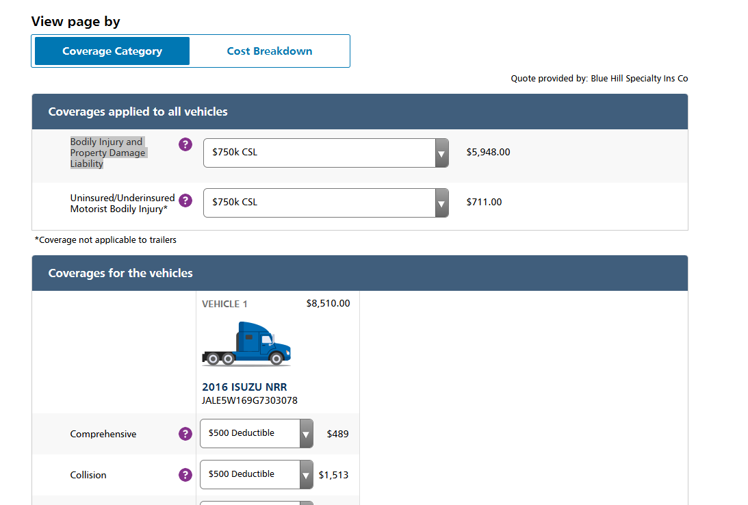

California E&S | Insured Name
Coverage Information | Effective Date
Coverage Information Glossary |  | Back to [Quick Start Guide]

Verify all coverages on the Rates Tab
Coverages applied to all vehicles | Requested? | Limits
Bodily Injury and Property Damage Liability
UM/UIM

Coverages by Vehicle | Requested? | Limits
Comprehensive
Collision
Uninsured Motorist Property Damage*
Medical Payments
Rental Reimbursements
Roadside Assistance
Loan/Lease Gap
Fire & Theft w/ Combined Additional Coverage

List any other requested coverages below.
Special Coverages related to Business | Requested? | Limits
Hired Auto Liability
Employee non-Owned Auto Liability
Trailer Interchange
Non-Owned Trailer Physical Damage
On Hook
Garage Keepers Legal Liability

Final Details
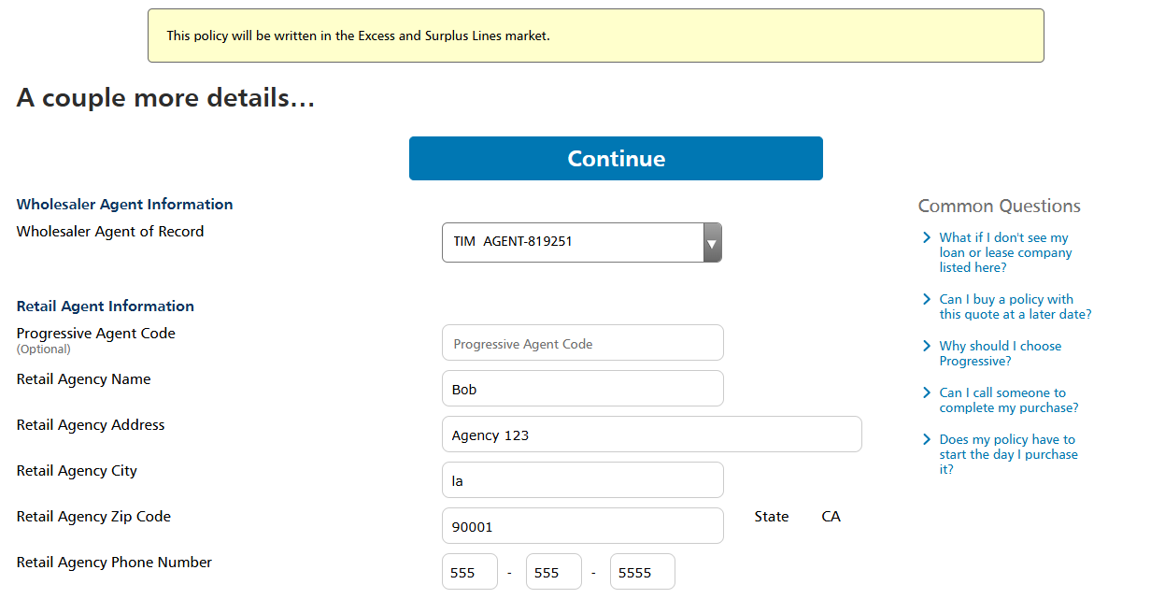

California E&S
Quote Sheet - Towing
Business Information Glossary

Wholesaler Agent Information
Wholesaler Agent of Record | RT Specialty

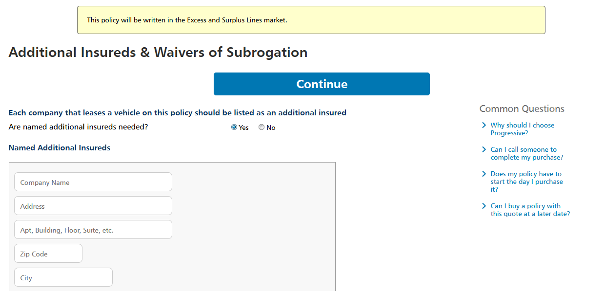
Retail Agent Information
Progressive Agent Code | 94767
Retail Agency Name | Sierra

Add Spouse or Domestic Partner
Add a spouse/domestic partner to the policy as a second named insured? | No

Business Tax Information
Employer Identification Number
Vehicle Loan Company
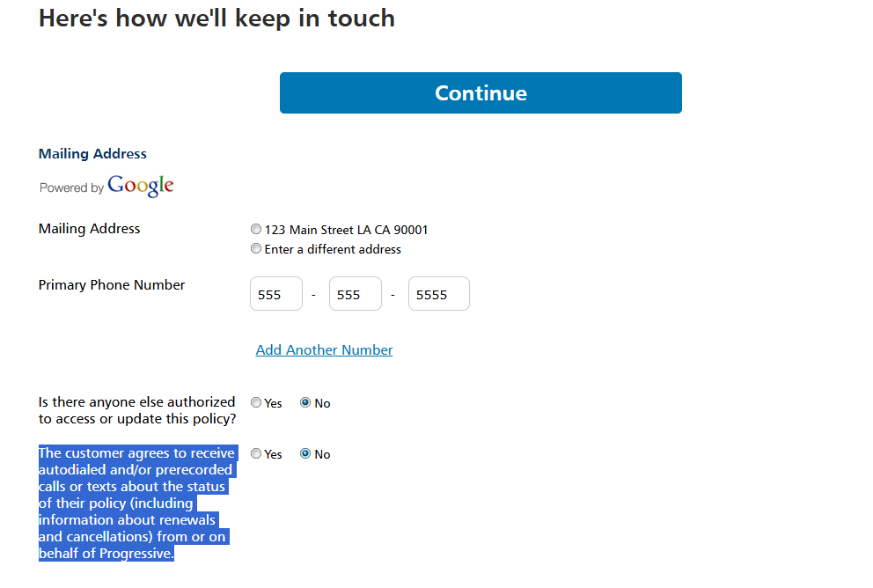
Clue/MVR
Do you want to order MVR/CLUE reports for all drivers? | Yes

Additional Insureds & Waivers of Subrogation | Each company that leases a vehicle on this policy should be listed as an additional insured
Are named additional insureds needed?
Company Name
Company Address

Blanket Additional Insured & Waiver of Subrogation Endorsements
Is a Blanket Additional Insured endorsement needed by contract? | (Yes/No)
Is a Blanket Waiver of Subrogation endorsement needed by contract?

Keeping in Touch with the Customer
Mailing address
Phone Number
Is there anyone else authorized to access or update this policy? | (Yes/No) (Name, D.O.B.)
What action should this individual be able to take on the policy? | (View Only Access, Edit Access, Full Access)
The customer agrees to receive autodialed and/or prerecorded calls or texts about the status of their policy (including information about renewals and cancellations) from or on behalf of Progressive.

Payment
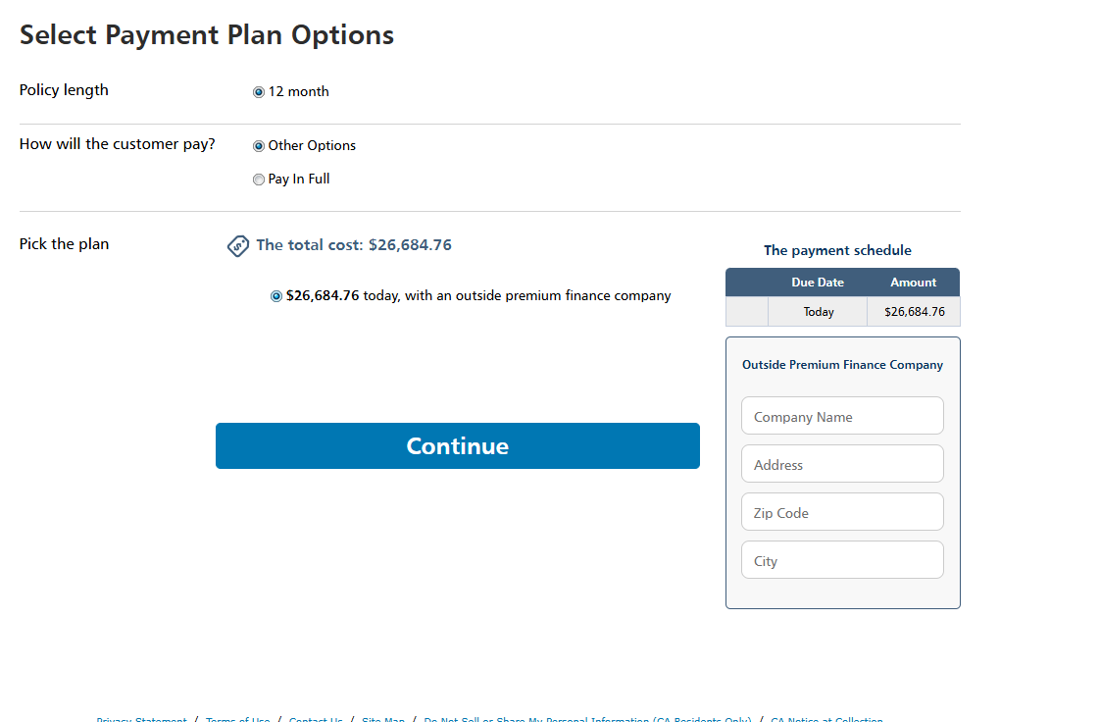
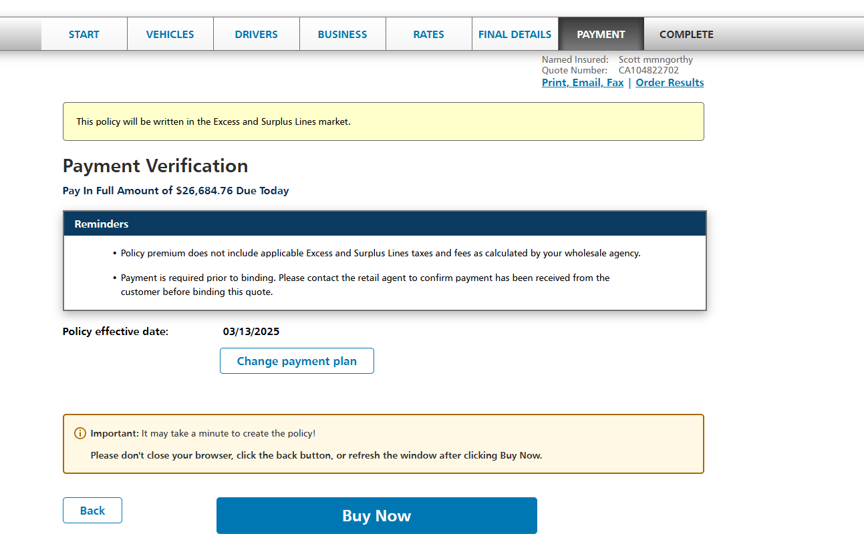

California E&S
Quote Sheet
Business Information Glossary

Optional Payment Method
Outside Premium Finance needed | Stetson Insurance Funding, LLC
Outside Premium Finance company address | 10150 York Road, Fifth Floor, Hunt Valley, MD 21030

Body Type Guide
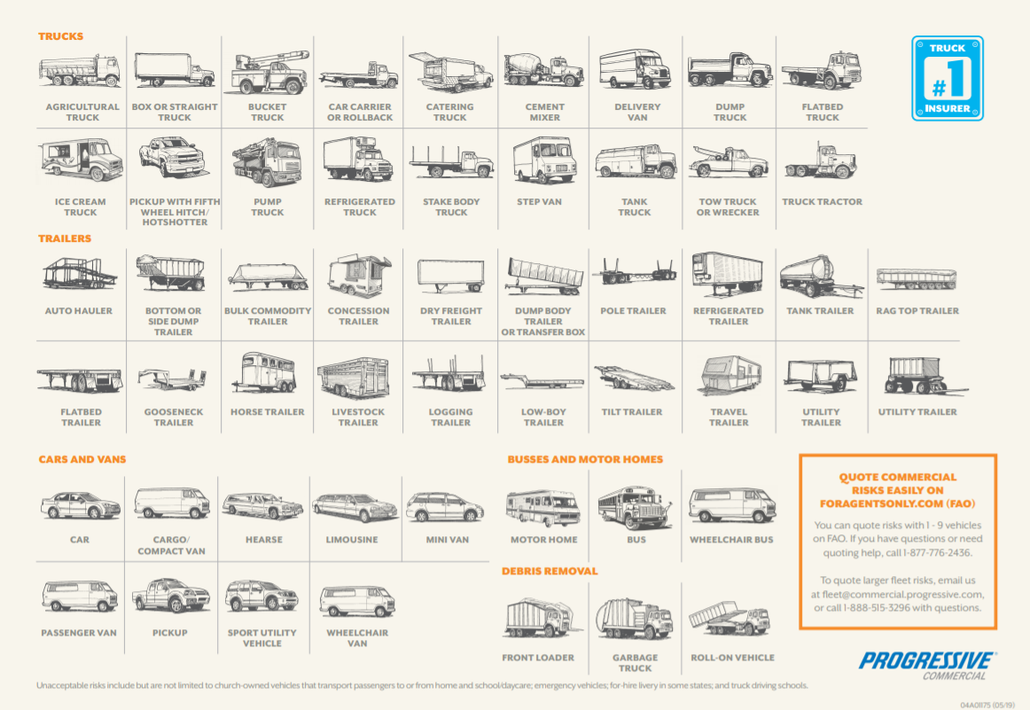
Link to [Vehicles] tab | Back to [Quick Start Guide]

